Sheet1
 | Document No. | Issue No. |  | Issue Date |  | Review and Replace Date |  |  | Authorised By
 | GFF186MC | 1 |  | 22.07.2020 |  | New Issue |  |  | Magda Shah
 | Document Title | VEGETABLE SAMOSA 100G
Document amendments reason for change | New document created |  |  |  | Page 1 of 1 |  | Previous Issue Date | New Issue | Uncontrolled copy unless signed original

CVSAL-G6T & CVSAL-G12T & CVSAL-1G6T |  |  | GAZEBO |  | VEGETABLE SAMOSA 100G | CHILLED

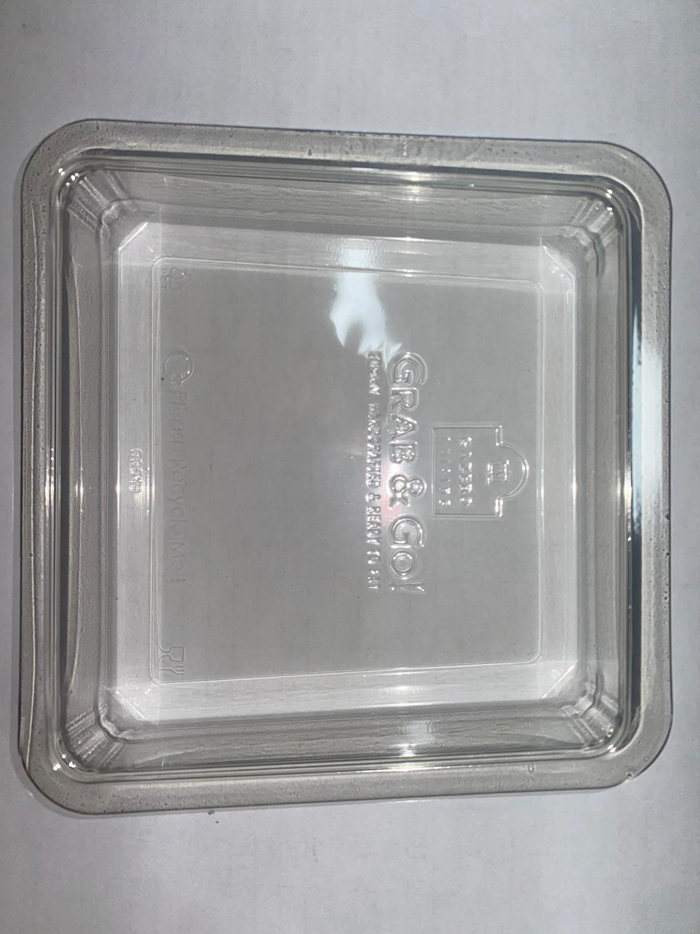 |  |  |  |  | 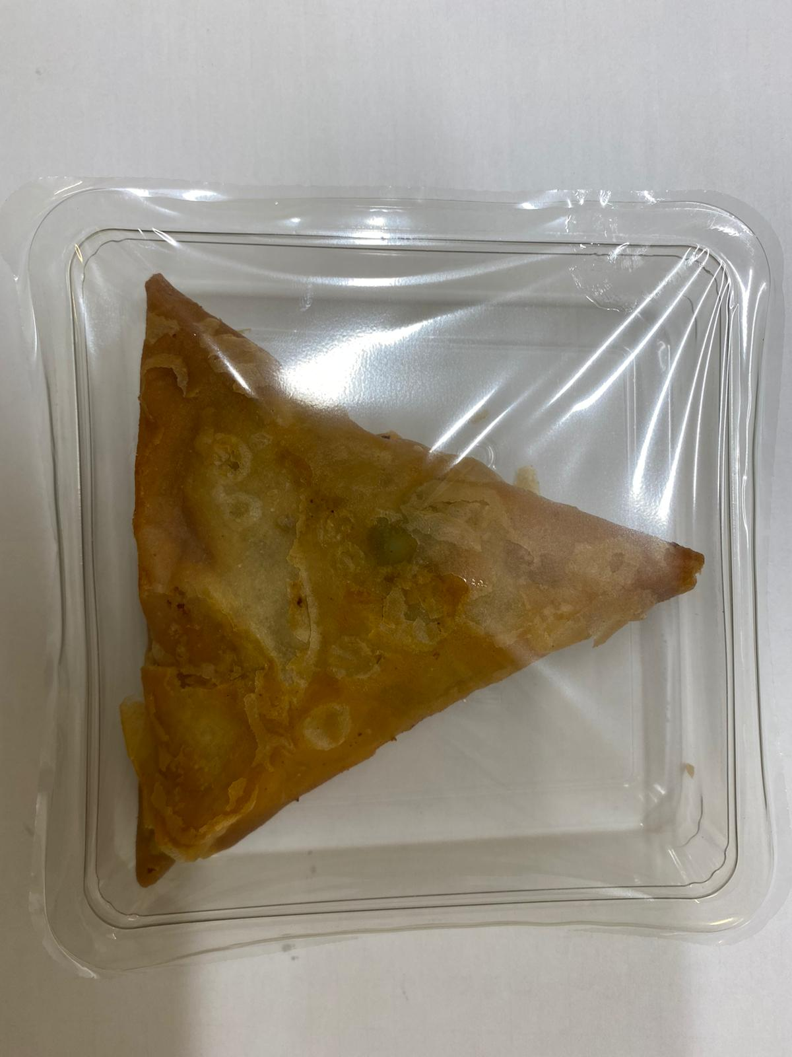

Tray: Clear Trapezoid Tray (PKLEE001-02) |  |  |  |  | VEGETABLE SAMOSA (GFF003R) 100 g
Line 1: Mylar 250LAF 250mm x 1000 (PKWRA001-08) Line 2: Mylar 25OLAF - 380mm wide (PKWRA001-02) |  |  |  |  | Total Weight : 100g
ALLERGY ALERT: WHEAT

